Problem 1
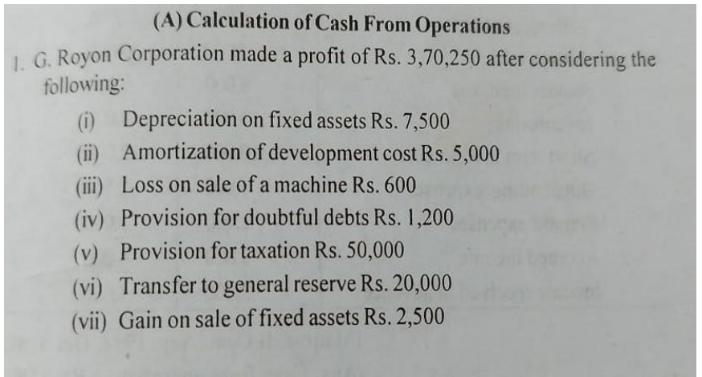
Caluclation of Cash From Operations Activites

Particulars | Amount | Amount

Net Profit |  | 370250
Add: (Non-fund & Operating Items Or Expenses)
Depreciation on Fixed assets | 7500
Amoritzation of development cost | 5000
Loss on sales of a machine | 600
Provision for doubtful debts | 1200
Provision for taxation | 50000
Transfer to general reserves | 20000 | 84300
 |  | 454550
Less:(Income)
Gain on sale of fixed assets | 2500
Cash from Operating Profit: |  | 452050

Problem 2
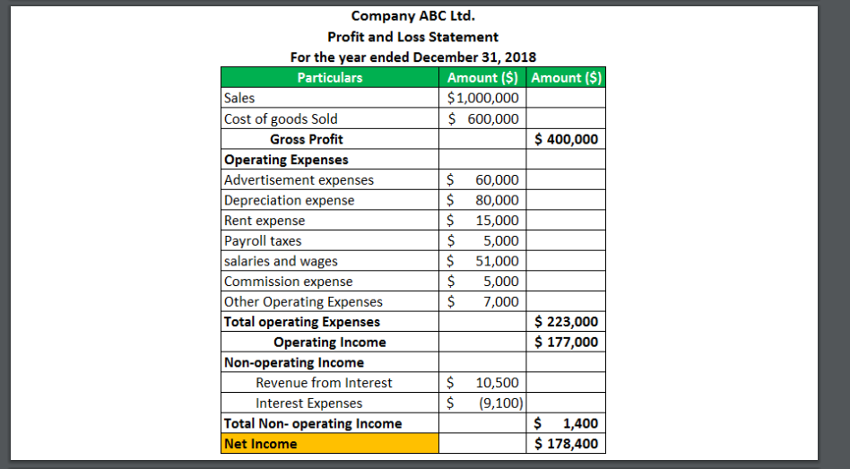
Caluclation of Cash From Operations Activites

Particulars | Amount | Amount

Net Profit |  | 178400
Add : (Non fund & Operating or Expenses)
Depreciation Expenses | 80000
Cash from Operating profit |  | 258400

Problem 3
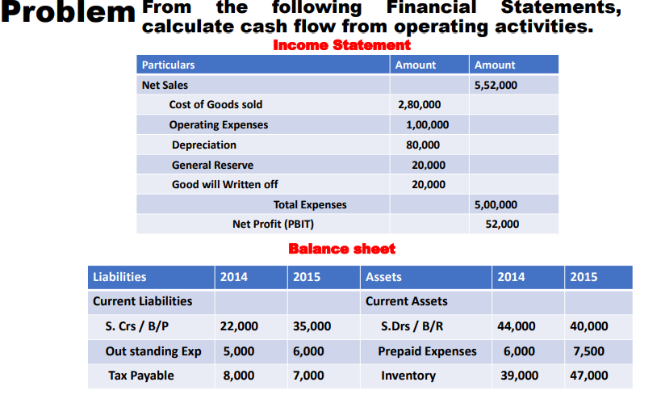
Caluclation of Cash From Operations Activites
Particulars | Amount | Amount
Net profit |  | 52000
Add : (Non fund & Operating or Expenses)
Depreciation | 80000
General Reserve | 20000
Good will written off | 20000 | 120000
 |  | 172000
Add: Decrease in Current Asset
Decrease in sundry Debtors/B/R | 4000
 |  | 176000
Less: Increase in Current Asset
Increase in Prepaid Expenses | 1500
Increase in Inventory | 8000 | 9500
 |  | 166500
Less: Decrease in Current Liabilities
Decrease in Tax payable | 1000
 |  | 165500
Add: Increase in Current Liabilities
Increase in Sundry creditors / B/P | 13000
Increase in outstanding Expenses | 1000 | 14000
Cash from Operating Profit: |  | 179500

Problem 4
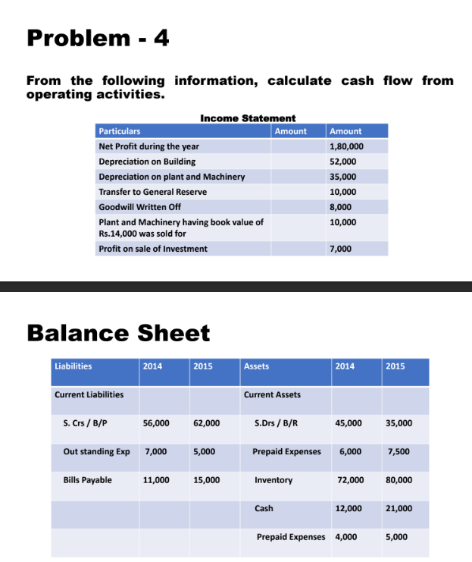
Caluclation of Cash From Operations Activities

Particulars | Amount | Amount
Net Profit |  | 180000
Add:(Non fund & operating items or expense)
Depreciation on Building | 52000
Depreciation on Plant and Machinery | 35000
Transfer to General Reserves | 10000
Good will written off | 8000 | 105000
Less:(Income)
Plant and Machinery having book value of Rs:14000 was sold for | 10000
Profit on sale of Investment | 7000 | 17000
 |  | 268000
Add:Decrease in Current Asset
Decrease in sundry Debtors | 10000 | 10000
 |  | 278000
Less:Increase in Current Asset
Increase in prepaid expenses | 1500
Increase in inventory | 8000
Increase in Cash | 9000
Increase in prepaid expenses | 1000 | 19500
 |  | 258500
Less: Decrease in Current Liabilites
Decrease in Outstanding Expenses | 2000
 |  | 256500
Less: Increase in Current Asset
Increase in Sundry Creditor | 6000
Increase in Bill Payable | 4000 | 10000
Cash from Operating Profit: |  | 246500

